T2
Please insert SQL here
Method 1:- Using the Partition By clause WITH CustomersTrans AS (
SELECT
PlyerId,
BetID,
productid,
BetAmt,
ROW_NUMBER() OVER (PARTITION BY PlyerId ORDER BY betting_date) AS row_num
FROM
[Betting_tax]
WHERE
productid IN (1, 2)
)
SELECT
PlyerId,
BetID,
productid,
BetAmt,
[Awarded Amount] = CASE
WHEN BetAmt <= 20 THEN BetAmt ELSE 20 END
FROM
CustomersTrans
WHERE
row_num = 1;
Please insert SQL here
Method 2:- Using the Min betting date SELECT
PlyerId,
BetID,
productid,
BetAmt,
CASE WHEN BetAmt > 20 THEN 20
ELSE BetAmt END AS bonus_amount
FROM [Betting_tax] bt
WHERE
productid IN (1, 2)
AND bt.Betting_date =
(
SELECT MIN(Betting_date)
FROM [Betting_tax]
WHERE PlyerId = bt.PlyerId
AND productid IN (1, 2)
);
Please use the structure from the db from the first task. We want to start a campaign where we would award customers only on their first transaction on productid 1 or 2. Please write an sql query in your chosen dialect using a window function where you would only select each customer's first transaction. We are giving a matched bonus on the first amount, but the amount cannot be higher than 20.

desired output

playerid | betid | productid | bet_amt | award_amt
2 | 8 | 2 | 41 | 20
3 | 1 | 2 | 6 | 6
8 | 10 | 2 | 15 | 15
10 | 16 | 2 | 19 | 19
12 | 3 | 2 | 4 | 4
15 | 2 | 2 | 13 | 13
16 | 15 | 2 | 23 | 20
17 | 23 | 1 | 17 | 17

STEPS
1) Created a table
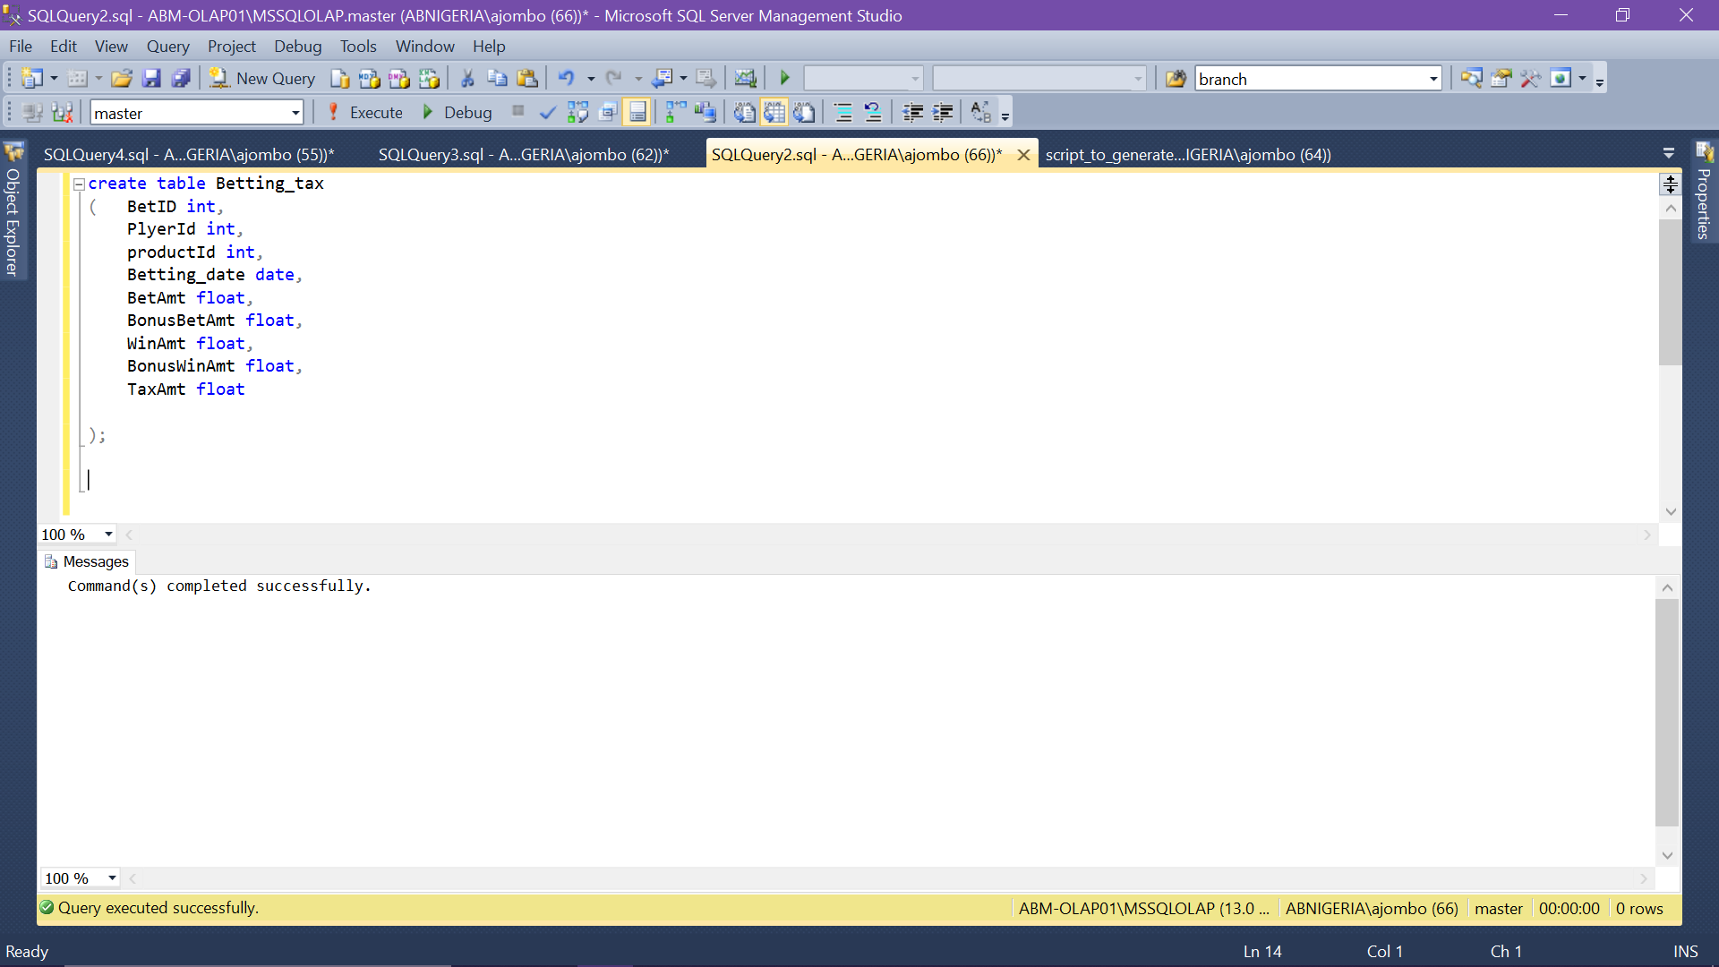

2) Imported the data using the SQL import and export wizard

T3
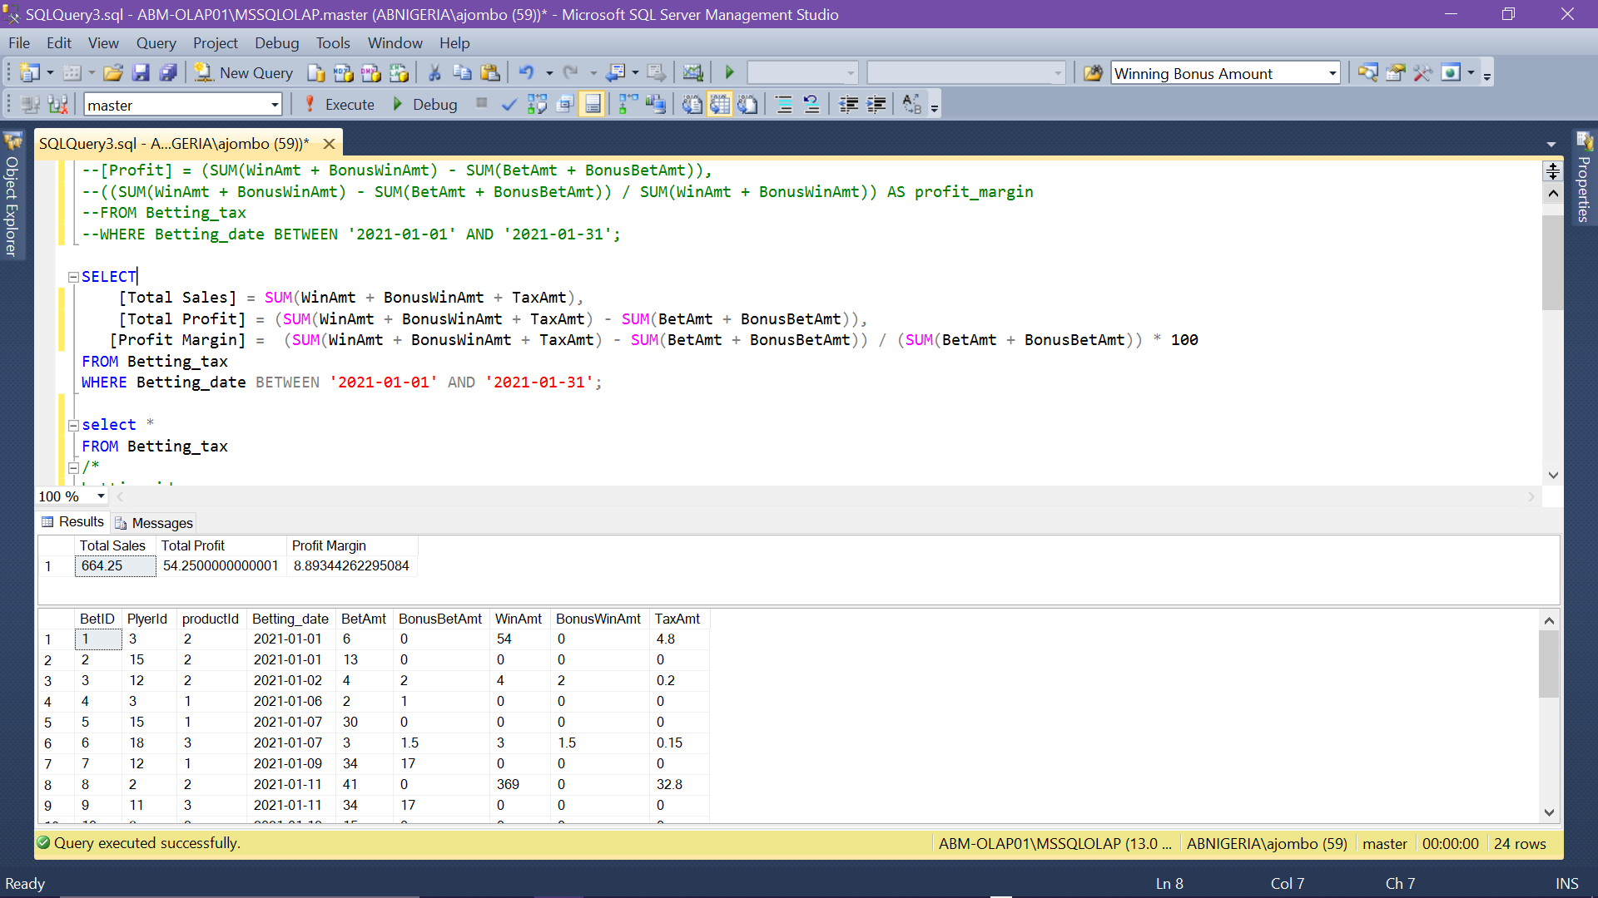
Use the same db from T1. Write a query that would summarize the company's performance during the given period. You don't need to have gaming experience, so don't worry about the industry standards. Just logically, what do you think our overall sales is and what would be our profit and how would you measure our profilt margin? | Please insert SQL here SELECT [Total Sales] = SUM(WinAmt + BonusWinAmt + TaxAmt), [Total Profit] = (SUM(WinAmt + BonusWinAmt + TaxAmt) - SUM(BetAmt + BonusBetAmt)), [Profit Margin] = (SUM(WinAmt + BonusWinAmt + TaxAmt) - SUM(BetAmt + BonusBetAmt)) / (SUM(BetAmt + BonusBetAmt)) * 100 FROM Betting_tax WHERE Betting_date BETWEEN '2021-01-01' AND '2021-01-31';

T4
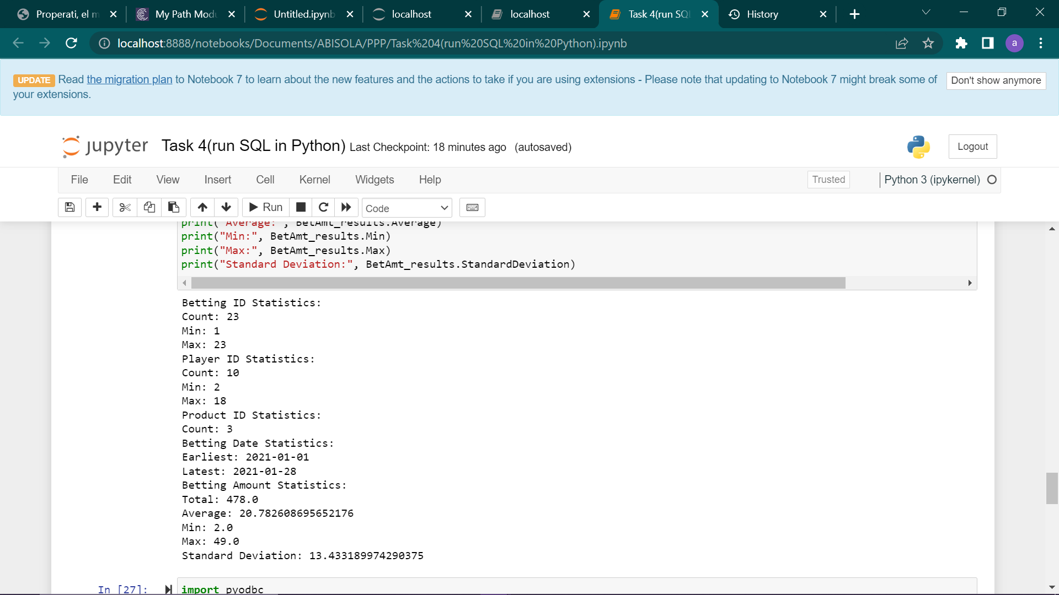
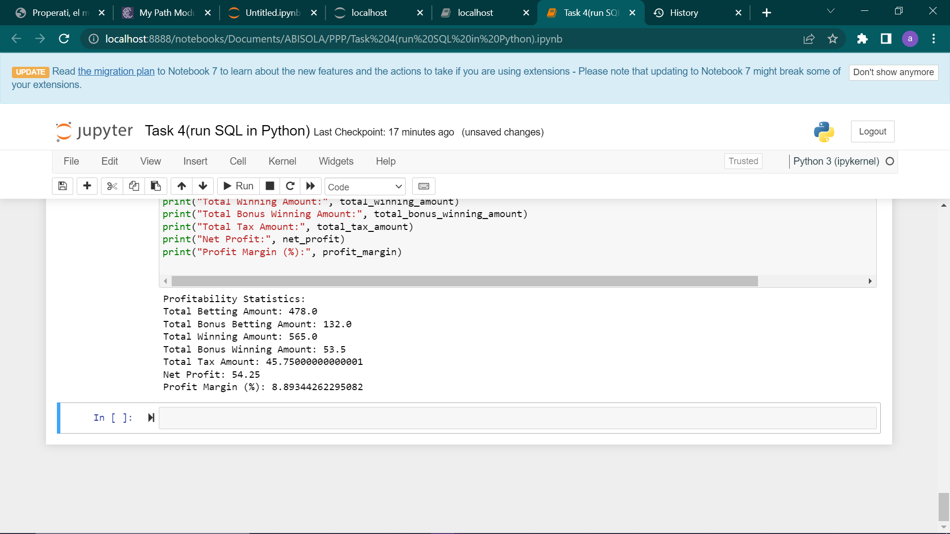
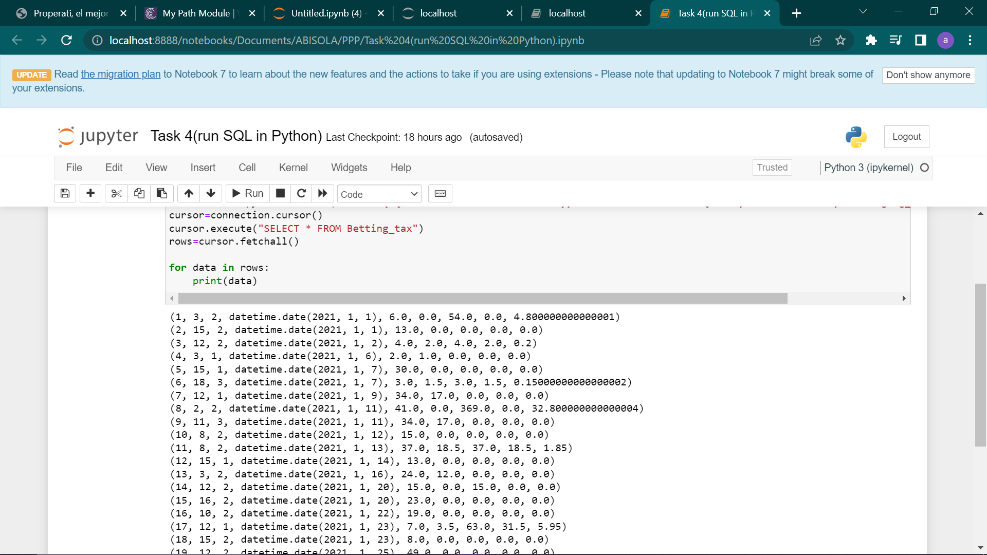
Please write a python script that reads in the given data (same shape as seen in T1) from a localhost connection, prints out a few stats about the dataset, cleans it if necessary and at the end prints out some summary statistics on the profitability of the company.
1) WRITE A PYTHON SCRIPT TO READ THE GIVEN DATA
import pyodbc
connection = pyodbc.connect('DRIVER={SQL Server Native Client 11.0};SERVER= MSSQLOLAP;DATABASE=master;UID=staging;PWD=***')
cursor=connection.cursor()
cursor.execute("SELECT * FROM Betting_tax")
rows=cursor.fetchall()
for data in rows:
print(data)
2) PRINT OUT A FEW STATISTICS ABOUT THE DATASET
import pyodbc
#import pandas as pd
connection = pyodbc.connect('DRIVER={SQL Server Native Client 11.0};SERVER= MSSQLOLAP;DATABASE=master;UID=staging;PWD=***')
#cursor.execute("SELECT * FROM Betting_tax")
#rows=cursor.fetchall()
BetID_query = """
SELECT
COUNT(DISTINCT BetID) AS Count,
MIN(BetID) AS Min,
MAX(BetID) AS Max
FROM Betting_tax
"""
PlyerId_query = """
SELECT
COUNT(DISTINCT PlyerId) AS Count,
MIN(PlyerId) AS Min,
MAX(PlyerId) AS Max
FROM Betting_tax
"""
productid_query = """
SELECT
COUNT(DISTINCT productId) AS Count
FROM Betting_tax
"""
betting_date_query = """
SELECT
MIN(betting_date) AS Earliest,
MAX(betting_date) AS Latest
FROM Betting_tax
"""
BetAmt_query = """
SELECT
SUM(BetAmt) AS Total,
AVG(BetAmt) AS Average,
MIN(BetAmt) AS Min,
MAX(BetAmt) AS Max,
STDEV(BetAmt) AS StandardDeviation
FROM Betting_tax
"""
cursor=connection.cursor()
cursor.execute(BetID_query)
BetID_results = cursor.fetchone()
cursor.execute(PlyerId_query)
PlyerId_results = cursor.fetchone()
cursor.execute(productid_query)
productid_results = cursor.fetchone()
cursor.execute(betting_date_query)
betting_date_results = cursor.fetchone()
cursor.execute(BetAmt_query)
BetAmt_results = cursor.fetchone()
cursor.close()
print("Betting ID Statistics:")
print("Count:", BetID_results.Count)
print("Min:", BetID_results.Min)
print("Max:", BetID_results.Max)
print("Player ID Statistics:")
print("Count:", PlyerId_results.Count)
print("Min:", PlyerId_results.Min)
print("Max:", PlyerId_results.Max)
print("Product ID Statistics:")
print("Count:", productid_results.Count)
print("Betting Date Statistics:")
print("Earliest:", betting_date_results.Earliest)
print("Latest:", betting_date_results.Latest)
print("Betting Amount Statistics:")
print("Total:", BetAmt_results.Total)
print("Average:", BetAmt_results.Average)
print("Min:", BetAmt_results.Min)
print("Max:", BetAmt_results.Max)
print("Standard Deviation:", BetAmt_results.StandardDeviation)
3) PRINT OUT SOME SUMMARY STATISTICS ON THE PROFITABILITY OF THE COMPANY
import pyodbc
connection = pyodbc.connect('DRIVER={SQL Server Native Client 11.0};SERVER= ABM-OLAP01\MSSQLOLAP;DATABASE=master;UID=staging_user;PWD=Nigeria@123')
cursor=connection.cursor()
sql_query = "SELECT BetAmt,BonusBetAmt,WinAmt,BonusWinAmt,TaxAmt FROM Betting_tax"
cursor.execute(sql_query)
rows = cursor.fetchall()
cursor.close()
connection.close()
# Financial data
betting_amounts = [row[0] for row in rows]
bonus_betting_amounts = [row[1] for row in rows]
winning_amounts = [row[2] for row in rows]
bonus_winning_amounts = [row[3] for row in rows]
tax_amounts = [row[4] for row in rows]
# Profitability metrics
total_betting_amount = sum(betting_amounts)
total_bonus_betting_amount = sum(bonus_betting_amounts)
total_winning_amount = sum(winning_amounts)
total_bonus_winning_amount = sum(bonus_winning_amounts)
total_tax_amount = sum(tax_amounts)
net_profit = (total_winning_amount + total_bonus_winning_amount + total_tax_amount) - (total_betting_amount + total_bonus_betting_amount )
profit_margin = (net_profit / (total_betting_amount + total_bonus_betting_amount)) * 100
print("Profitability Statistics:")
print("Total Betting Amount:", total_betting_amount)
print("Total Bonus Betting Amount:", total_bonus_betting_amount)
print("Total Winning Amount:", total_winning_amount)
print("Total Bonus Winning Amount:", total_bonus_winning_amount)
print("Total Tax Amount:", total_tax_amount)
print("Net Profit:", net_profit)
print("Profit Margin (%):", profit_margin)

